UST Reimbursement Itemization
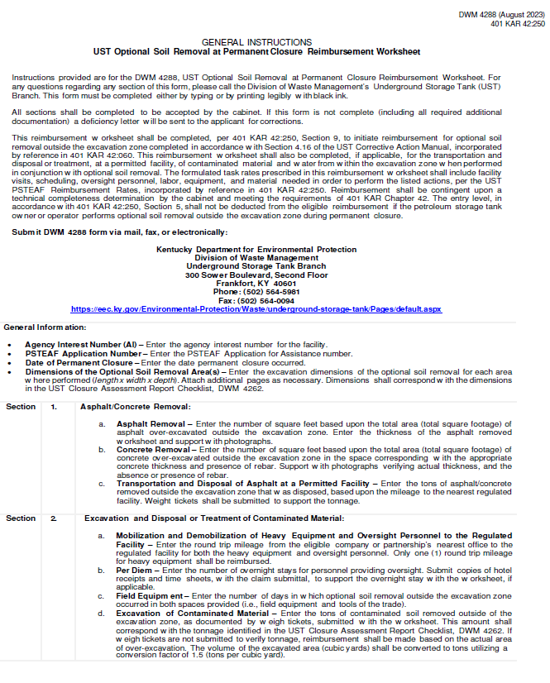
Kentucky Department for Environmental Protection Division of Waste Management Underground Storage Tank Branch 300 Sower Boulevard, Second Floor - Frankfort KY 40601 (502) 564-5981 |  |  |  |  |  |  |  |  | FOR OFFICIAL USE ONLY - DO NOT WRITE IN THIS SPACE

 |  |  |  |  |  |  |  |  | Claim Number:
 |  |  |  |  |  |  |  |  | Obligation Number:
UST Optional Soil Removal at Permanent Closure Reimbursent Worksheet
General Information
Agency Interest Number (AI) |  |  |  |  |  |  |  | PSTEAF Application Number
Date of Permanent Closure
Dimensions of the Optional Soil Removal Area(s) |  |  | Area 1: |  |  |  |  | Area 3:
 |  |  | Area 2: |  |  |  |  | Area 4:

1. | Asphalt/Concrete Removal (area outside the excavation zone)

a. | Asphalt Removal
 | Area |  | sq.ft. | x |  | = | $0.00 |  |  | $0.00
 |  |  |  |  | (thickness)
b. | Concrete Removal
 | Pad up to 4-inch thick |  | sq.ft. | x | $0.70 | = | $0.00
 | 4-inch thick w/ rebar |  | sq.ft. | x | $0.81 | = | $0.00
 | 6-inch thick |  | sq.ft. | x | $1.05 | = | $0.00
 | 6-inch thick w/ rebar |  | sq.ft. | x | $1.21 | = | $0.00
 | 9-inch thick |  | sq.ft. | x | $2.10 | = | $0.00
 | 9-inch thick w/ rebar |  | sq.ft. | x | $2.42 | = | $0.00
 | 10-inch or more |  | sq.ft. | x | $5.35 | = | $0.00
 | 10-inch or more w/ rebar |  | sq.ft. | x | $6.15 | = | $0.00 |  |  | $0.00

c. | Transportation and Disposal of Asphalt or Concrete at a Permitted Facility
 |  |  | tons | x | $84.00 | = | $0.00 | (within 50 miles)
 |  |  | tons | x | $103.00 | = | $0.00 | (50 to 100 miles)
 |  |  | tons | x | $122.00 | = | $0.00 | (over 100 miles) |  | $0.00

2. | Excavation and Disposal or Treatment of Contaminated Material (area outside the excavation zone)

a. | Mobilization and Demobilization of Heavy Equipment and Oversight Personnel to the Regulated Facility
 |  |  | miles | x | $7.95 | = | $0.00 | Equipment |  | $0.00
 |  | (round trip) |  |  |  | minimum | $795.00
 |  |  | miles | x | $2.85 | = | $0.00 | Personnel oversight |  | $0.00
 |  | (round trip) |  |  |  | maximum | $2,850.00

 |  |  |  |  |  | The one way mileage from the contractors office to the facility is |  | miles.

b. | PerDiem |  | day(s) | x | $217.00 | = | $0.00
 |  | (number of days of overnight stay)
 |  | 0 | day(s) | x | $86.00 | = | $0.00 | Additional mileage |  | $0.00
 |  | (number of days of overnight stay)

c. | Field Equipment |  | day(s) | x | $210.00 | = | $0.00 | Field Equipment
 |  |  | day(s) | x | $70.00 | = | $0.00 | Tools of the Trade |  | $0.00

d. | Excavation of Contaminated Material
 | Contaminated |  | tons | x | $7.35 | = | $0.00
 |  |  |  |  |  | minimum | $3,675.00 |  |  | $0.00

e. | Purchase and Transportation of Backfill Material
 |  |  | tons | x | $34.00 | = | $0.00 | (within 50 miles)
 |  |  | tons | x | $43.00 | = | $0.00 | (50 to 100 miles)
 |  |  | tons | x | $52.00 | = | $0.00 | (over 100 miles)
 | from borrow area |  | tons | x | $16.00 | = | $0.00 |  |  | $0.00
 |  | (only allowed if soil is disposed at a landfill)

f. | Install, Compact, and Grade Backfill
 |  |  | tons | x | $6.65 | = | $0.00 |  |  | $0.00

g. | Transportation and Disposal or Treatment of Contaminated Material at a Permitted Facility
 |  |  | tons | x | $84.00 | = | $0.00 | (within 50 miles)
 |  |  | tons | x | $103.00 | = | $0.00 | (50 to 100 miles)
 |  |  | tons | x | $122.00 | = | $0.00 | (over 100 miles) |  | $0.00

h. | Pumping and Transportation of Contaminated Pit Water or Groundwater
 |  |  | cost | + | 15% | = | $0.00 | (provide invoice)

i. | Disposal or Treatment of Pit Water or Groundwater at a Permitted Facility
 |  |  | cost | + | 15% | = | $0.00 | (provide invoice) |  | $0.00

3. | Transportation, Disposal or Treatment, at a Permitted Facility, and Replacement of Contaminated Backfill Material from within the Excavation Zone

 | Dimensions of the Excavation Zone

a. | Transportation and Disposal or Treatment at a Permitted Facility, including Asphaltic Material (if necessary)
 |  |  | tons | x | $84.00 | = | $0.00 | (within 50 miles)
 |  |  | tons | x | $103.00 | = | $0.00 | (50 to 100 miles)
 |  |  | tons | x | $122.00 | = | $0.00 | (over 100 miles) |  | $0.00

b. | Purchase and Transportation of Backfill Material
 |  |  | tons | x | $34.00 | = | $0.00 | (within 50 miles)
 |  |  | tons | x | $43.00 | = | $0.00 | (50 to 100 miles)
 |  |  | tons | x | $52.00 | = | $0.00 | (over 100 miles)
 | from borrow area |  | tons | x | $16.00 | = | $0.00 |  |  | $0.00

4. | Laboratory Analysis (for samples collected outside the excavation zone)

 |  | BTEX (method 8260) |  | x | $121.00 |  | $0.00
 |  | PAH (method 8270) |  | x | $291.00 | = | $0.00
 |  | Total Lead (soil) |  | x | $69.00 | = | $0.00 |  |  | $0.00

5. | Report for Optional Soil Removal at the Time of Permanent Closure

 |  | Report |  | x | $690.00 | = | $0.00 |  |  | $0.00

 |  |  |  |  |  |  | TOTAL |  |  | $0.00

